Device Settings
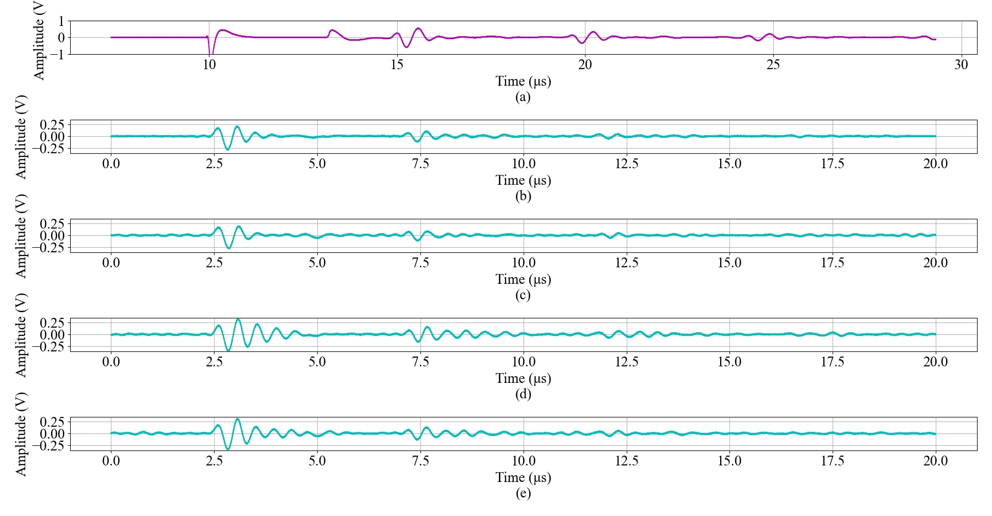
 | Pulser |  | * | LDV |  | **
 | Receiver | ECHO | [1] | Bandwidth | 3 MHz
 | Rel. Gain (dB) | 20 |  | Range | 100 mm/s
 | HP Filter (MHz) | 1 |  | Tracking Filter | Off
 | LP Filter (MHz) | 5 |  | HP Filter | 8 kHz
(freq, ×100Hz) | PRF Rate | 1
 | Trigger | INT | [2] | PXI
 | Pulse Amplitude | 16 |  | Min Sample Rate | 2.5G
 | Pulse Energy | LOW, 4 |  | Input Impedance | 50 ohms
 | Damping | 1 |  | Min Record Length | 200000

 | Layer Scan V6
 | Timeout | 5
 | Vertical Range | 5 |  |  | Scale: | 0.8 | V/deg
 | Probe Attenuation | 1 |  | Calculated X offsets |  | for scan angles |  | PULSER FOOTNOTES
 | Max Input Freq | 2.5M |  | 1) | 0 | 90 |  | [1] | ECHO: sending and receiving pulse from same transducer; THROUGH: reading signal from another transducer
 | Input Impedence | 1 mega ohm |  | 2) | 80 | 89 | *87 | [2] | INT: Trigger from Pulser DPR300; EXT: Trigger from PXI (or external device)
 | Min Sample Rate | 2.5G |  | 3) | 160 | 88 | *85 | * | max freq = 2.25MHz
 | Min Record Length | 200000 |  | 4) | 240 | 87 | *83 | ** | interal delay of 20us
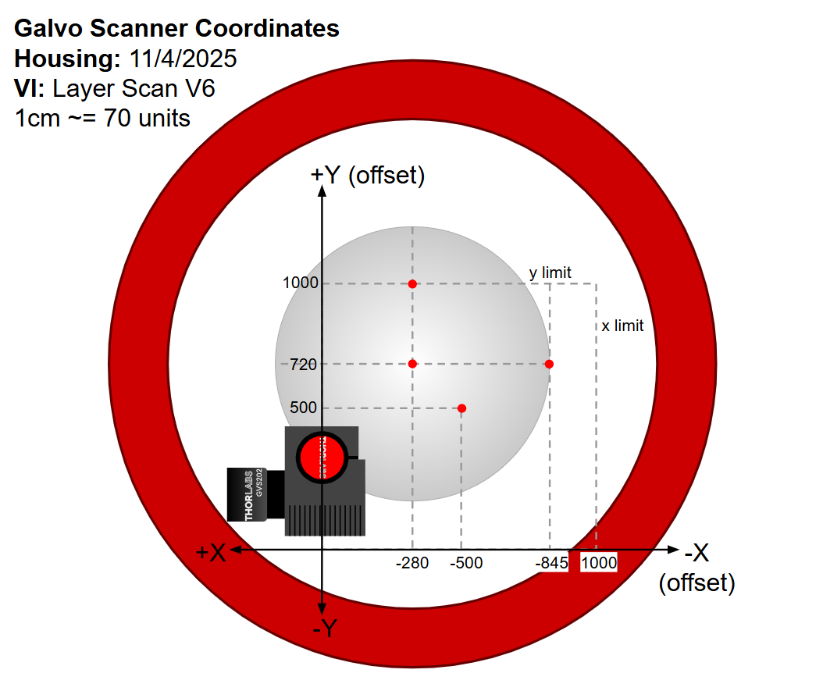
 |  |  |  | 5) | 320 | 86 | *80
Trigger | Source | External TRIG |  | 6) | 400 | 85 | *78
 | Level | -0.2 |  | 7) | 480 | 84
 | Slope | Negative
 | Coupling | DC
 | Delay | 50u

 | to find location of a scan point: |  |  | distance =
 | x count | 1
 | y ciount | 1
 | x offset | (x location)
 | y offset | (y location)
 | distance | 0

 | maximum scan area:
 | x count
 | y ciount
 | x offset
 | y offset
 | distance

